Sheet1
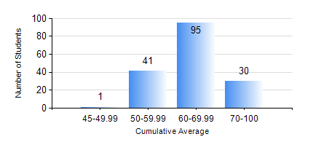
 |  |  | KWAME NKRUMAH UNIVERSITY OF SCIENCE AND TECHNOLOGY, KUMASI Department of Geological Engineering

 |  |  | BSC. GEOLOGICAL ENG.

 |  |  | COMPREHENSIVE RECORD OF EXAMINATION RESULTS

 |  |  | RESULTS OF YEAR 2 SECOND SEMESTER, 2020/2021 ACADEMIC YEAR

 | Sn | Course Code |  | Course Name | Credit Hours | Min. Mark | Max. Mark | Avg. Mark | Std. Dev. | No. Passed | No. Trailed | No. (Df) | No. (I) | No. (I*) | No. Tagged(I,I*,Df) | Total
 | 0. |  |  |  |  |  |  | 0 | 0 | 0 | 0 | 0 | 0 | 0 | 0 | 17
 | 1. | CE 256 |  | FLUID MECHANICS | 3 | 31 | 85 | 64 | 12.08 | 148 | 2 | 0 | 0 | 0 | 0 | 150
 | 2. | GE 282 |  | LARGE SCALE SURVEYING | 3 | 24 | 88 | 57 | 13.84 | 141 | 9 | 0 | 0 | 0 | 0 | 150
 | 3. | GED 252 |  | STRATIGRAPHY | 3 | 28 | 88 | 60 | 11.28 | 146 | 4 | 0 | 0 | 0 | 0 | 150
 | 4. | GED 254 |  | ROCK ENGINEERING | 2 | 26 | 88 | 58 | 14.43 | 136 | 14 | 0 | 0 | 0 | 0 | 150
 | 5. | GED 258 |  | OPTICAL MINERALOGY | 2 | 42 | 87 | 68 | 9.06 | 150 | 0 | 0 | 0 | 0 | 0 | 150
 | 6. | GED 262 |  | INTRODUCTION TO SOIL MECHANICS | 2 | 22 | 91 | 56 | 14.78 | 128 | 22 | 0 | 0 | 0 | 0 | 150
 | 7. | MATH 252 |  | ANALYSIS IV | 4 | 27 | 74 | 53 | 7.76 | 145 | 5 | 0 | 0 | 0 | 0 | 150

